Figure 10.17
Contract Residual Value (%) | Total NPV: Mean
0.20 | 2,824,422
0.21 | 2,917,970
0.22 | 3,014,176
0.23 | 3,112,973
0.24 | 3,214,261
0.25 | 3,317,901
0.26 | 3,423,682
0.27 | 3,531,360
0.28 | 3,640,616
0.29 | 3,751,088
0.30 | 3,862,276
0.31 | 3,973,553
0.32 | 4,084,070
0.33 | 4,192,903
0.34 | 4,298,722
0.35 | 4,399,201
0.36 | 4,491,574
0.37 | 4,572,229
0.38 | 4,636,810
0.39 | 4,678,682
0.40 | 4,687,773
0.41 | 4,651,172
0.42 | 4,553,378
0.43 | 4,372,764
0.44 | 4,081,743
0.45 | 3,634,869
0.46 | 2,988,616
0.47 | 2,087,493
0.48 | 855,251
0.49 | -791,211
0.50 | -2,956,184

Figure 10.18
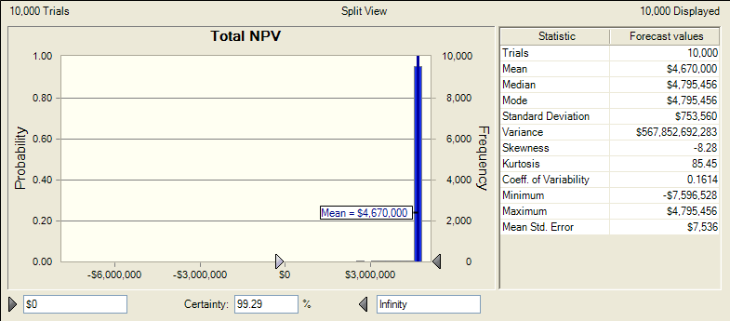

Figure 10.19
ARV Mean | Total NPV: Mean
0.40 | (23,099,305.00)
0.45 | (11,545,959.00)
0.50 | (3,056,270.00)
0.55 | 1,337,784.00
0.60 | 2,787,623.00
0.65 | 3,064,006.00
0.70 | 3,089,093.00
0.75 | 3,090,839.00
0.80 | 3,090,839.00
0.85 | 3,090,839.00

Figure 10.20
Contract Residual Value (%) | Total NPV: Mean
0.20 | 2,678,176
0.21 | 2,747,904
0.22 | 2,805,384
0.23 | 2,878,048
0.24 | 2,920,134
0.25 | 2,971,378
0.26 | 2,980,897
0.27 | 3,046,140
0.28 | 3,034,913
0.29 | 3,067,885
0.30 | 3,059,409
0.31 | 3,003,884
0.32 | 3,025,376
0.33 | 2,851,418
0.34 | 2,747,474
0.35 | 2,599,874
0.36 | 2,273,475
0.37 | 1,980,381
0.38 | 1,624,575
0.39 | 1,199,931
0.40 | 719,843
0.41 | -271,846
0.42 | -839,341
0.43 | -1,912,651
0.44 | -3,379,185
0.45 | -4,429,725
0.46 | -6,476,284
0.47 | -8,220,521
0.48 | -11,351,580
0.49 | -14,147,977
0.50 | -17,850,627

Figure 10.21
Contract Residual Value (%) | Total NPV: Mean | Probability < 2.5M: Mean
0.20 | 2,824,422 | 0%
0.21 | 2,917,970 | 0%
0.22 | 3,014,176 | 0%
0.23 | 3,112,973 | 0%
0.24 | 3,214,261 | 0%
0.25 | 3,317,901 | 0%
0.26 | 3,423,707 | 0%
0.27 | 3,531,402 | 0%
0.28 | 3,640,704 | 0%
0.29 | 3,751,215 | 0%
0.30 | 3,862,425 | 0%
0.31 | 3,973,646 | 0%
0.32 | 4,083,964 | 0%
0.33 | 4,192,081 | 0%
0.34 | 4,296,849 | 0%
0.35 | 4,396,423 | 0%
0.36 | 4,487,543 | 0%
0.37 | 4,566,936 | 0%
0.38 | 4,628,189 | 1%
0.39 | 4,664,510 | 1%
0.40 | 4,667,650 | 2%
0.41 | 4,624,852 | 3%
0.42 | 4,519,376 | 5%
0.43 | 4,327,577 | 7%
0.44 | 4,017,049 | 10%
0.45 | 3,550,924 | 15%
0.46 | 2,880,951 | 20%
0.47 | 1,946,823 | 26%
0.48 | 674,407 | 33%
0.49 | -1,032,165 | 42%
0.50 | -3,261,720 | 49%

Figure 10.22
Contract Residual Value (%) | Total NPV: Mean | Probability < 2.5M: Mean
0.20 | 2,675,678 | 6%
0.21 | 2,740,830 | 6%
0.22 | 2,803,704 | 7%
0.23 | 2,863,277 | 7%
0.24 | 2,918,198 | 8%
0.25 | 2,967,053 | 8%
0.26 | 3,007,813 | 9%
0.27 | 3,039,030 | 10%
0.28 | 3,057,848 | 11%
0.29 | 3,061,361 | 12%
0.30 | 3,046,738 | 13%
0.31 | 3,010,361 | 14%
0.32 | 2,947,354 | 15%
0.33 | 2,852,271 | 16%
0.34 | 2,718,465 | 18%
0.35 | 2,539,477 | 19%
0.36 | 2,306,179 | 21%
0.37 | 2,008,265 | 22%
0.38 | 1,632,504 | 24%
0.39 | 1,166,112 | 26%
0.40 | 591,699 | 28%
0.41 | -110,296 | 30%
0.42 | -964,496 | 32%
0.43 | -2,001,799 | 34%
0.44 | -3,256,945 | 36%
0.45 | -4,766,602 | 39%
0.46 | -6,575,577 | 41%
0.47 | -8,737,016 | 43%
0.48 | -11,317,256 | 45%
0.49 | -14,401,044 | 48%
0.50 | -18,084,357 | 50%

Figure 10.23
Money Factor | Total NPV: Mean
0.10 | (21,520,486)
0.15 | (2,956,184)
0.20 | 6,799,867
0.25 | 11,440,784
0.30 | 13,169,014
0.35 | 13,292,323
0.40 | 12,580,954
0.45 | 11,482,398
0.50 | 10,250,876

